Questions
SHORTHAND | FULL ASSESSMENT QUESTION | NOTES
Use | What is the proposed use, activity, or modification?
2nd use | For multi-part projects, what is a second proposed use, activity, or modification? | If no 2nd use, select 'none'.
3rd use | For multi-part projects, what is a third proposed use, activity, or modification? | If no 3rd use, select 'none'.
Env designation? | In what shoreline environment designation did the project occur? | If the project occurred in more than one shoreline environment designation, select 'multiple'.
Early consultation? | Did the applicant seek local government feedback before property purchase or project design?
Pre-app conference? | Was a pre-application conference held for the project?
Permit(s) issued? | What shoreline permit(s) and/or authorization was issued for the project?
Dev. Type? | Is the proposed project a new development, redevelopment, replacement, or combination thereof?
Water orientation? | Is proposed use preferred (single-family residential), water-dependent, water-related, water-enjoyment or not-water-oriented?
Correct buffer & setback? | Are buffer and setback requirements identified in the permit consistent with SMP policies? | Includes buffers and setbacks associated with critical areas within shoreline jurisdiction.
Staff determined NNL? | Does the record include a staff determination that the project will result in no net loss?
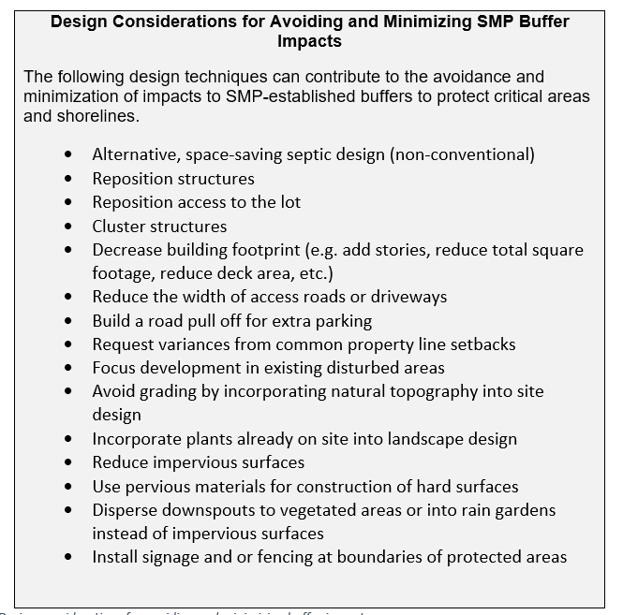
In-buffer/water development? | Does the permit include development within a standard shoreline or wetland buffer or waterward of the OHWM?
Net new impervious in buffer? | Did the project result in a net gain in impervious surfaces within a buffer? | Answer "yes" for any net gain in area.
Veg clearing in buffer? | Did the project result in new clearing of vegetation within a buffer? Does not include the replacement of lawn, invasive species, or ornamental landscaping. Does not include areas of temporary, construction-related impacts where clearing is followed by replanting.
Net new area over-/in-water structures? | Did the project result in a net gain of over- or in-water structures? | Answer "yes" for any net gain in area.
Documentation of mit. sequencing? | If development is occurring waterward of the OHWM or within a standard shoreline buffer or setback, is there documentation of mitigation sequencing in project design? | Answer "yes" when there is documentation of how project design, scale, location, materials, and/or timing avoided and minimized impacts prior to compensatory mitigation being proposed. Examples shown here.
Compensatory mitigation? | Does the applicant's proposal include a plan for compensatory mitigation?
Permit condition requiring comp. mit? | Is there a permit condition requiring implementation of compensatory mitigation?
Unavoidable impacts identified? | If compensatory mitigation was required, were unavoidable impacts clearly identified?
Site-specific report? | Was a site-specific NNL report, mitigation plan, critical areas report, or similar site-specific document prepared?
In-kind mitigation? | If compensatory mitigation was required, was it in-kind? | In-kind mitigation means mitigation that provides similar or higher values and functions as the area disturbed. This could be similar wildlife habitat; similar vegetative species coverage and density; equivalent flood water storage capacity; and etc.
Mitigation monitoring? | For projects that included compensatory mitigation plantings, was monitoring proposed or required?
Cumulative impacts assessed? | For CUPs and VARs, were cumulative impacts of additional request for like actions in the area carefully and completely considered by the local jurisdiction? | Answer "yes" only when record includes a written explanation that considers the possibility of future requests for similar actions in the area.
Sufficient staff findings and conclusions? | Does the record include a staff report with findings and conclusions that sufficiently describe how the project is, or is not, consistent with approval criteria? | Answer "no" when the staff report does not include a written explanation of consistency.
New public access? | Did the project result in new public access to the shoreline?

Help
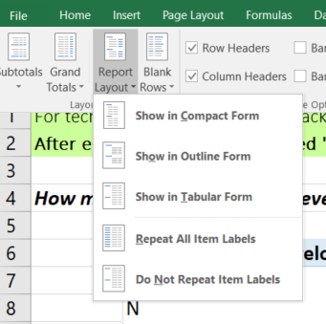
For technical assistance or to provide feedback, contact Carolyn Chase, cach461@ecy.wa.gov or 360-706-4981.

Problem: Pivot tables not capturing new data from Assessment Table.
Solution: On the Assessment Table sheet, go to the "Data" menue and select "Refresh All". Next, go to the Pivot sheet and navigate to the "Data" menue where you will again select "Refresh All".

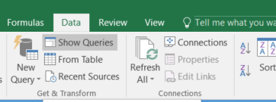

Problem: Pivot table header says "Row Header" instead of the short hand question.
Solution: In the Pivot sheet, highlight (select) the entire pivot table. A new menue cateogy will appear called "PivotTable Tools". Within "PivotTable Tools" select "Design" followed by "Report Layout". Under "Report Layout" select "Show in Outline Form".

